STH Live Project Test Cases
 | Project Name | My City
 | Reference Document | Test Cases - Final.pdf
 | Created by | Group N91
 | Date of creation | 27-Oct-17
 | Date of review | 1-Nov-17

Test case ID | Test Objective | Precondition | Steps: | Test data | Expected result / Acceptance criteria | Post-condition | Test Status
My City_TC_01 | View My City welcom page through a URL. | 1. The test machine should be configured to run the My City project 2. Modern web browsers should be enabled on the test machine | 1. Run the My City project on the local instance of the Django server 2. Start any web browser of your choice 3. Enter the URL http://127.0.0.1:8000/ in the address bar of the web broser. | http://127.0.0.1:8000 | 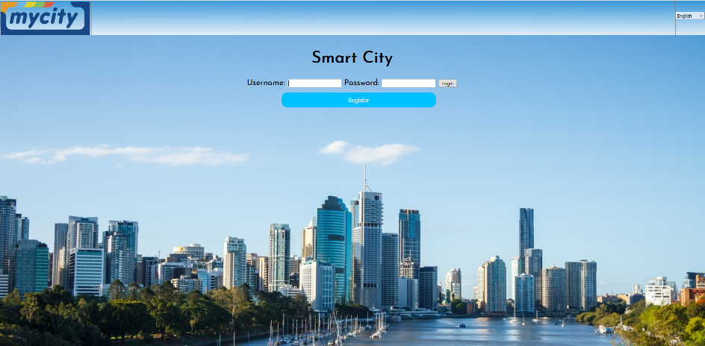 User should be navigated to the My City welcome page.Welcome page should contain following fields and buttons. 1. Username Field 2. Password Field 3. Login Button 4. Register new user | User should be ableto login to their account or make a new account. It will then navigate them to the summary page. | Passed

My City_TC_02 | User can create a new account using the My City site | 1. My City site is launched on a compatible browser | 1. Navigate to the account creation page by clicking the "Create Account" button on the welcome page. 2. Fill in all the required field in the account creation form 3. Submit the filled-in form through by clicking the "Submit" button on the form | A valid Username: Aidan First Name: Aidan Last Name: Lamb Password : 123456, Phone: 0400000000 User Type: Student Email Address: aidan@qut.edu.au | When the customer clicks the “Signup” button, the user is navigated to the create account form. Create account page should contain textboxes for Username, Password, Retype Password, user type, email address. All these fields are mandatory, hence customer must provide all these information Once the user submits the form with all the mandatory fields filled up, a new account is created with the provided creadential and the account details are stored in the MySQLlite database. User is navigated to the summary page. A randomly generated account number will be allocated to the new user and the relevant details will be stored in the database table. | User can use all the available services of the My City site using the newly created account | Passed

 |  |  |  |  | 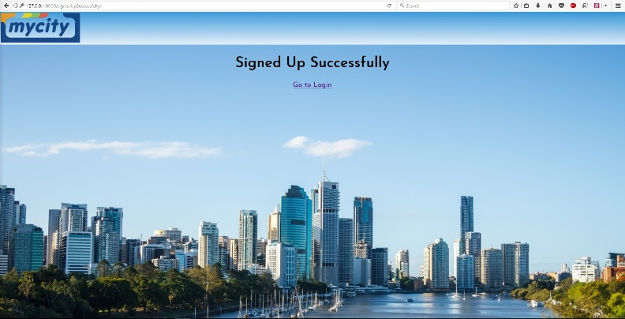

My City_TC_03 | Username fields in the sign up form are masked with asterisk for each character typed in. | 1. My City site is launched on a compatible browser | 1. Navigate to the account creation page by licking the "sign up" button on the menu 2. Fill in the username field in the account creation form | A valid username: Aidan | 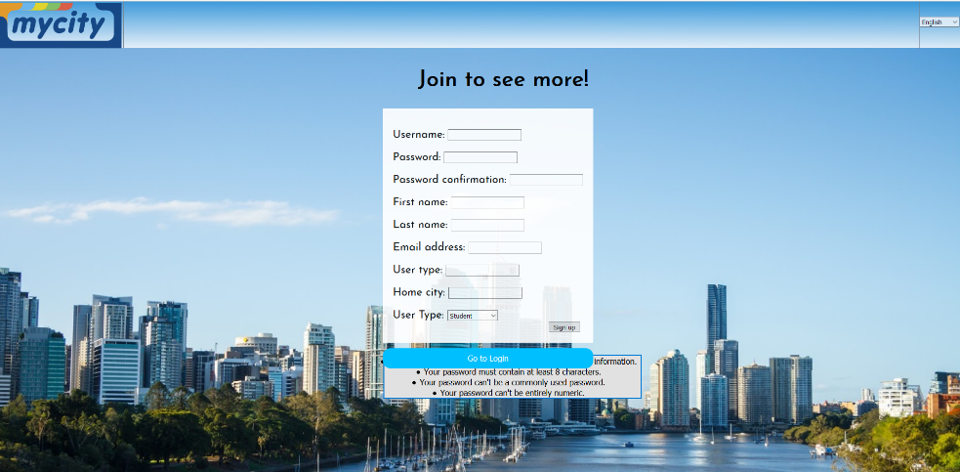 The entries in the Username field should be masked with asteriks | User can create an account securely | Passed

My City_TC_04 | User type should be able to be selected in the sign up form. | 1. My City site is launched on a compatible browser | 1. Navigate to the account creation page by licking the "Create Account" button on the menu 2. Selecting user account type in the form. | A valid user type: Student, Business, Tourist | The "User Type" field in the "Signup" form should be a drop down option with a default value of "Blank" as shown in the following figure. Selection must be made before continuting. | Each new user will be created with a user type as they selected. | Passed
My City_TC_04 | Form contains two buttons, “Submit” button to submit the entered information. | 1. My City site is launched on a compatible browser | 1. Navigate to the account creation page by clicking the "Create Account" button on the menu 2. Fill in all the required field in the account creation form | A valid Username: Aidan Password : 123456, Phone: 0400000000 User Type: Student Email Address: aidan@qut.edu.au | Clicking the "Submit" button in the form should submit the form to the backend. | User should be able to submit any form by clicking the "Submit" button | Passed
 |  |  |  |  | 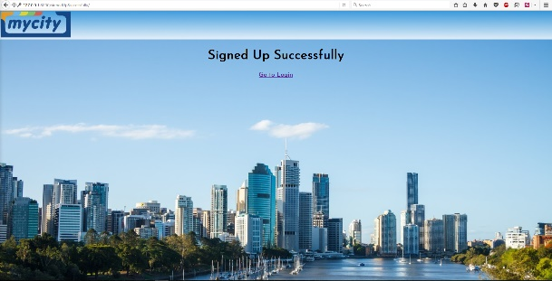
My City_TC_05 | If the user submits the form without completing all the information, he or she is given a warning message “Please fill out field in a dialog box which contains an OK button. | 1. My City site is launched on a compatible browser | 1. Navigate to the account creation page by clicking the "signup" button on the menu 2. Partially fill in the form | Valid Username: | When the user tries to submit a partially filled-in form, a popup message box will appear on the mandatory field asking the user to fill-in the required field | User needs to fill-in the form completely to successfully submit the form | Passed
 |  |  |  |  | 
My City_TC_06 | In the login form when the username and password entered by the user do not match with the information stored in the database, the webpage will redirect back to login. | 1. My City site is launched on a compatible browser | 1. Navigate to login 2. Fill in information incorrectly | Invalid Username, Password and Account Number | When the user enters invalid login details, the login page will reappear. | User will be re-direccted to the login screen where the user needs to provide correct login details in-order to login successfully | Passed
My City_TC_07 | When a user enters his or her username and password correctly, he or she should be able to log into the system successfully | 1. My City site is launched on a compatible browser 2. An user account is already created on the system | 1.Nagivate to login 2. login in with correct information | A valid Username: Aidan First Name: Aidan Last Name: Lamb Password : 123456, Phone: 0400000000 User Type: Student Email Address: aidan@qut.edu.au | When the user enters correct Username, Password and Account Number, he/she will be logged into the system with their respective user account and will be able to see the dashboard. | User can use the available service on the My City site by logging into their personal account. | Passed
My City_TC_08 | When a user selects businessman, the dashboard will show the options that a business man would have | 1. My City site is launched on a compatible browser 2. An user account is already created on the system 3. active login session in progress | 1. navigate to buttons 2. select alternative user | select businessman | When the user selects the business user account, the buttons should change and the information displayed. | view data from business user account | Passed
 |  |  |  |  | 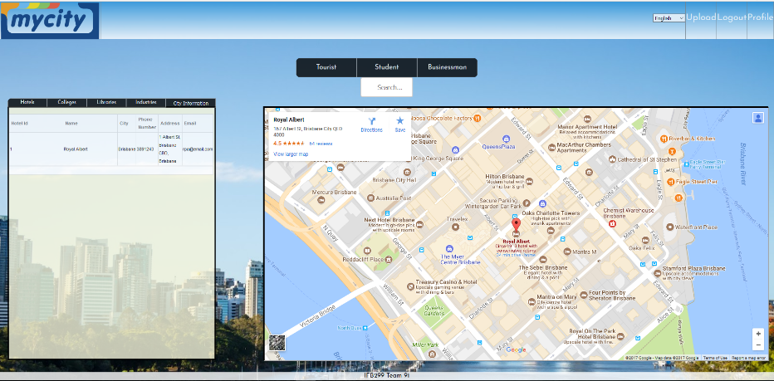
My City_TC_09 | When a user selects student, the dashboard will show the options that a business man would have | 1. My City site is launched on a compatible browser 2. An user account is already created on the system 3. active login session in progress | 1. navigate to buttons 2. select alternative user | select student | When the user selects the student user account, the buttons should change and the information displayed. | view data from student user account | Passed
My City_TC_10 | When a user selects tourist, the dashboard will show the options that a business man would have | 1. My City site is launched on a compatible browser 2. An user account is already created on the system 3. active login session in progress | 1. navigate to buttons 2. select alternative user | select Tourist | When the user selects the tourist user account, the buttons should change and the information displayed. | view data from tourist user account | Passed
My City_TC_11 | When a user in in an active session, the user should be able to select the information and display the relevent places from that information and also view it from the map. | 1. My City site is launched on a compatible browser 2. An user account is already created on the system 3. Active login session in progress | 1. Navigate to buttons above detail container 2. View information in table. | select Hotel | When the user select the hotel button, a list of hotels should be displayed on the side. | view data about hotels. | Passed
My City_TC_12 | When a user is in an active session, they should be able to view their profile to change information about themselves, including passwords. | 1. My City site is lauched on a compatible browser 2. user account is already created on the system 3. active login session in progress | 1. Navigate to profile button 2. change data in fields 3. Ensure all fields are filled out 4. Submit button is pressed | Select Profile Change Password: 1234566 | When the user changes their information in the profile, it should be saved and able to continue to log in with new information | Change information about their profile | Passed
 |  |  |  |  | 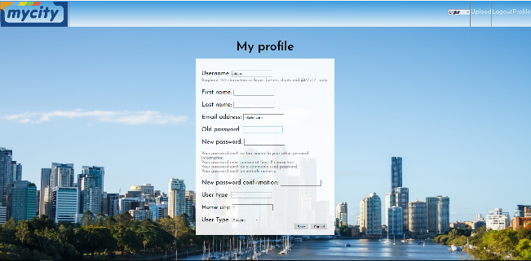
My City_TC_13 | When a user is in an active session, they should be able to logout. | 1. My City site is lauched on a compatible browser 2. user account is already created on the system 3. active login session in progress | 1.. Navigate to the logout button | Press logout | When the user selects the log out button, they should be able to logout of their current session, and have the log in fields viewable. | Log the user out of the session. | Passed
My City_TC_14 | When a user on any webpage, they should be able to change the language the webpage displays. | 1. My City site is lauched on a compatible browser 2. user account is already created on the system 3. active login session in progress | 1. Navigate to the language drop down menu. | Select another language | When a user selects another language from a drop down menu, they should be able to select that language and translate the language of the whole webpage. | Change language of website. | Failed
My City_TC_15 | When the administrator goes to create a user account, they should be able to do it from a separate webpage. | 1. My City site is lauched on a compatible browser 2. user is not a registered user for the admin page. | 1. navigate to the unique url for the admin registration page. | Valid Username: Aidan valid password: aidanlamb | When a user registers for an admin account, they should be able to access the django admin. | add a user to the admin user group | Failed

